Jacobian
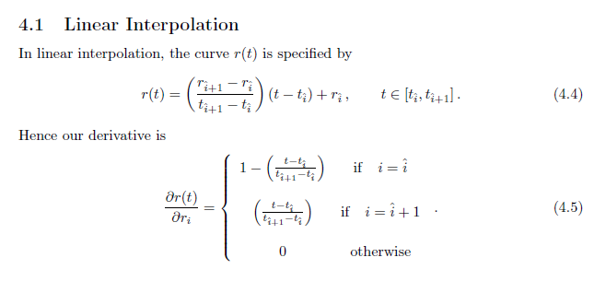
 |  |  |  |  |  |  |  |  | dr_t/dr_1 | 0
 |  |  |  | Swap Rate (x) | 2.00501% |  | 1.9556308067 |  | dr_t/dr_2 | 0
 |  |  |  | Maturity (τ) | 2

 |  |  |  | Settlement Delay (s) | 0
 |  |  |  | End Date (t) | 2

 |  |  |  | Fixed Leg |  |  |  | 0.039210560848 | Float Leg |  | 0.039210560848

dr_tk/dr_1 | dr_tk/dr_2 | t_i^ | t_i^+1 | t_k | r_t_k | α_k | D(t_k) |  | t | r | D | i | t_i | r_i | dx_dr1 | dx_dr2
1.00 |  | 0.25 | 0.5 | 0.25 | 2% | 0.25 | 0.99501247919 | 0.0049875208073 | 0 | 2% | 1 | 1 | 0.25 | 2% | 0.0050879574083 | 0.0050879574083
0.00 |  | 0.5 | 0.75 | 0.5 | 2% | 0.25 | 0.99004983375 | 0.0049626454435 | 2 | 2% | 0.96078943915 | 2 | 0.5 | 2%
0.00 |  | 0.75 | 1 | 0.75 | 2% | 0.25 | 0.9851119396 | 0.0049378941461 |  |  |  | 3 | 0.75 | 2%
0.00 |  | 1 | 1.25 | 1 | 2% | 0.25 | 0.98019867331 | 0.0049132662963 |  |  |  | 4 | 1 | 2%
0.00 |  | 1.25 | 1.5 | 1.25 | 2% | 0.25 | 0.97530991203 | 0.0048887612784 |  |  |  | 5 | 1.25 | 2%
0.00 |  | 1.5 | 1.75 | 1.5 | 2% | 0.25 | 0.97044553355 | 0.0048643784798 |  |  |  | 6 | 1.5 | 2%
0.00 |  | 1.75 | 2 | 1.75 | 2% | 0.25 | 0.96560541626 | 0.0048401172909 |  |  |  | 7 | 1.75 | 2%
0.00 |  | 2 |  | 2 | 2% | 0.25 | 0.96078943915 | 0.0048159771052 |  |  |  | 8 | 2 | 2%

